Sheet1
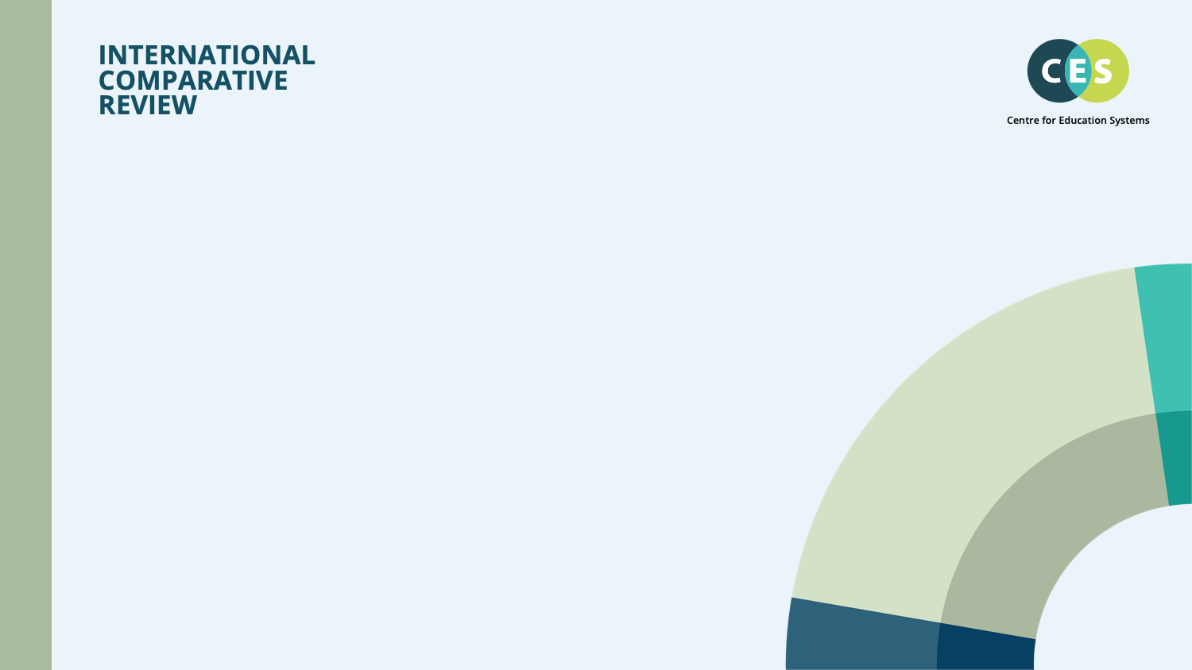

ACCOUNTABILITY POLICY
Master Cross Jurisdiction tables
CES Summary
November 2025, v1.2

